Dashboard
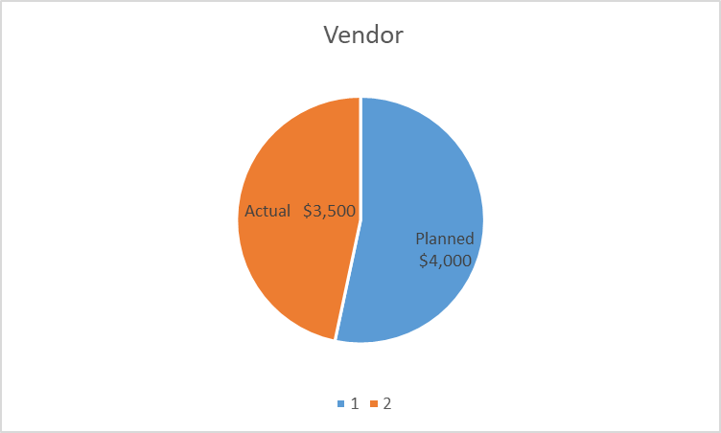
Resource Costs
Project Cost Summary

 | Planned | Actual
Developer | $6,500 | $5,500
Analyst | $4,000 | $3,500
Project Manager | $1,250 | $1,000
QA | $3,500 | $2,500
Support | $1,250 | $1,000
Planned | $16,500
Actual | $13,500
Description | Planned | Actual | Variance

Resource | $16,500 | $13,500 | -$3,000
Software | $5,000 | $4,500 | -$500
Hardware | $3,000 | $2,750 | -$250
Other | $3,000 | $2,400 | -$600
Total | $27,500 | $23,150 | -$4,350

Software, Hardware and Other Costs

 | Planned | Actual | Ongoing
Software | $5,000 | $4,500 | $900
Hardware | $3,000 | $2,750 | $380

